REPORT CARD

 |  |  |  | 0 ZEV Accreditation Profile

 |  |  |  | Congratulations! Your fleet has earned the Platinum level of Sustainable Fleets Accreditation by converting over 20% of your fleet to zero-emission vehicles (ZEVs). We thank you for leading the industry in demonstrating your commitment and planning towards a zero-emission future.

 |  |  |  |  | Timeline & Goals

 |  |  |  |  | In this section, we will explore what your timeframe and targets to hit within that timeframe. Your targets are the amount of zero-emission vehicles to include in your fleet and your timeframe is the year by which these numbers should be reached.

 | Platinum Benefits |  |  |  |  | Sustainable Fleets ZEV Goals

 | 1) Sustainable Fleets Program Membership: Includes recognition by CALSTART and the California Air Resource Board (CARB) such as member spotlights. 2) Inclusion on the ZEV Fleets for Hire List: Freight buyers will use this list to view and hire zero-emission fleets. 3) Accreditation badge and marketing kit for ZEV vehicles and sustainability reports. 4) Fleet resources to help reach your ZEV Accreditation goals: 1. Tools 2. Fleet Analysis 3. Technical Assistance 4. Sustainable Fleet Manager 5. Training Course (NAFA)
 |  |  |  |  |  | Zero Emission Vehicles |  |  | 10% | 25% | 50% | 75% | 100%
 |  |  |  |  | Group 1 | Box trucks or Vans, Two-axel buses, Yard trucks, Light Duty |  |  | 2025 | 2028 | 2031 | 2033 | 2035

 |  |  |  |  | Group 2 | Work trucks, Day cab tractors, Three-axel buses |  |  | 2027 | 2030 | 2033 | 2036 | 2039

 |  |  |  |  | Group 3 | Sleeper cab tractors and Specialty vehicles |  |  | 2030 | 2033 | 2036 | 2039 | 2042

 |  |  |  |  | Your ZEV Goals

 |  |  |  |  |  | Zero Emission Vehicles |  |  | Deadline | Goal (%) | Goal (#) | Your Progress (%) |  | Your Progress (#)
 |  |  |  |  | Group 1 | Box trucks or Vans, Two-axel buses, Yard trucks, Light Duty |  |  | 2025 | 10% | 0 | 0% |  | 0

 |  |  |  |  | Group 2 | Work trucks, Day cab tractors, Three-axel buses |  |  | 2027 | 10% | 0 | 0% |  | 0

 |  |  |  |  | Group 3 | Sleeper cab tractors and Specialty vehicles |  |  | 2030 | 10% | 0 | 0% |  | 0

 | Visualize Your Current and Future Goals
 | Progression Towards Goal for Group 1 Vehicles |  |  |  |  |  |  |  |  |  | 0 |  | Your Achievement - Reporting Year: 2022
 |  |  |  |  |  |  |  |  |  |  |  |  | Great job! You have met you current goal! This is the number of zero-emission vehicles from Group 1 that you have achieved by 2022.

 | Group 1
Your Achievement: 2022 | 0%
Current Goal: 2025 | 0%
Next Goal: 2028 | 0%

 |  |  |  |  |  |  |  |  |  |  | 0 |  | Current Goal - Deadline: 2025
 |  |  |  |  |  |  |  |  |  |  |  |  | This is the number of ZEVs you needed by 2025 for Group 1 vehicles. This number was calculated by taking 10% of the number of Group 1 vehicles you reported.

 |  |  |  |  |  |  |  |  |  |  | 0 |  | Next Goal - Upcoming Deadline: 2028
 |  |  |  |  |  |  |  |  |  |  |  |  | Assuming that your fleet does not increase in size, this is the number of ZEVs you will need in Group 1 for the next goal in 2028. This number was calculated by taking 0% of the number of Group 1 vehicles you reported.

 | Progression Towards Goal for Group 2 Vehicles |  |  |  |  |  |  |  |  |  | 0 |  | Your Achievement - Reporting Year: 2022
 |  |  |  |  |  |  |  |  |  |  |  |  | Great job! You have met you current goal! This is the number of zero-emission vehicles from Group 2 that you have achieved by 2022.

 | Group 2
Your Achievement: 2022 | 0%
Current Goal: 2027 | 0%
Next Goal: 2030 | 0%

 |  |  |  |  |  |  |  |  |  |  | 0 |  | Current Goal - Deadline: 2027
 |  |  |  |  |  |  |  |  |  |  |  |  | This is the number of ZEVs you needed by 2027 for Group 2 vehicles. This number was calculated by taking 10% of the number of Group 2 vehicles you reported.

 |  |  |  |  |  |  |  |  |  |  | 0 |  | Next Goal - Upcoming Deadline: 2030
 |  |  |  |  |  |  |  |  |  |  |  |  | Assuming that your fleet does not increase in size, this is the amount of ZEVs you will need in Group 2 for the next goal in 2030. This number was calculated by taking 0% of the number of Group 2 vehicles you reported.

 | Progression Towards Goal for Group 3 Vehicles |  |  |  |  |  |  |  |  |  | 0 |  | Your Achievement - Reporting Year: 2022
 |  |  |  |  |  |  |  |  |  |  |  |  | Great job! You have met you current goal! This is the number of zero-emission vehicles from Group 3 that you have achieved by 2022.

 | Group 3
Your Achievement: 2022 | 0%
Current Goal: 2030 | 0%
Next Goal: 2033 | 0%

 |  |  |  |  |  |  |  |  |  |  | 0 |  | Current Goal - Deadline: 2030
 |  |  |  |  |  |  |  |  |  |  |  |  | This is the number of ZEVs you needed by 2030 for Group 3 vehicles. This number was calculated by taking 10% of the number of Group 3 vehicles you reported.

 |  |  |  |  |  |  |  |  |  |  | 0 |  | Next Goal - Upcoming Deadline: 2033
 |  |  |  |  |  |  |  |  |  |  |  |  | Assuming that your fleet does not increase in size, this is the amount of ZEVs you will need in Group 3 for the next goal in 2033. This number was calculated by taking 0% of the number of Group 3 vehicles you reported.

 |  |  |  |  | Progress to Date

Non-ZEV Footprint |  |  |  |  |  |  |  |  |  |  | Section Explanation
 |  |  |  |  |  |  |  |  |  |  | This is an overview of how green your fleet is becoming! Continue to adopt zero-emission vehicles (ZEVs) over time, and eventually your pie chart will be completely green!

 |  | Fleet Size in 2021 |  |  |  |  |  |  |  |  | Fleet Size in 2022

 |  |  | 0 |  |  |  |  |  |  |  |  | 7

 |  |  |  |  | ZEV(s): 0 |  |  |  |  |  |  |  |  | ZEV(s): 6
 |  |  |  |  | Non-ZEV(s): 0 |  |  |  |  |  |  |  |  | Non-ZEV(s): 1

 | Baseline Year 2021
ZEVs | 0
Non-ZEVs | 0
 | Reporting Year 2022
ZEVs | 6
Non-ZEVs | 1

Vehicle Compostion |  |  |  |  |  |  |  |  |  |  | Section Explanation
 |  |  |  |  |  |  |  |  |  |  | From these graphs you can: - Keep track of where your ZEV are needed - Keep track of where your ZEV are going - Track mileage from your ZEVs and non-ZEVs

 | Baseline Year - ZEV and Non-ZEV Vehicle Composition |  |  |  |  |  |  |  |  |  | Reporting Year - ZEV and Non-ZEV Vehicle Composition

 | ZEV | Non-ZEV
 | 0 | 0
 | 0 | 0
 | 0 | 0
 | 0 | 0
 | 0 | 0
 | 0 | 0
 | 0 | 0
 | 0 | 0
 | 0 | 0
 | 0 | 0
 | 0 | 0
 | 0 | 0
 | ZEV | Non-ZEV
 | 0 | 0
 | 0 | 0
Two-Axle Buses | 6 | 0
 | 0 | 0
 | 0 | 0
 | 0 | 0
Work Trucks | 0 | 1
 | 0 | 0
 | 0 | 0
 | 0 | 0
 | 0 | 0
 | 0 | 0

 | Change in Green House Gas Emissions Per Year

 | #N/A
 | #N/A
 | #N/A
 | #N/A
 | #N/A
 | #N/A
 | #N/A
 | #N/A
 | #N/A
 | #N/A
 | #N/A
 | #N/A
 | #N/A
 | #N/A
 | #N/A
 | #N/A
 | #N/A
 | #N/A
 | #N/A

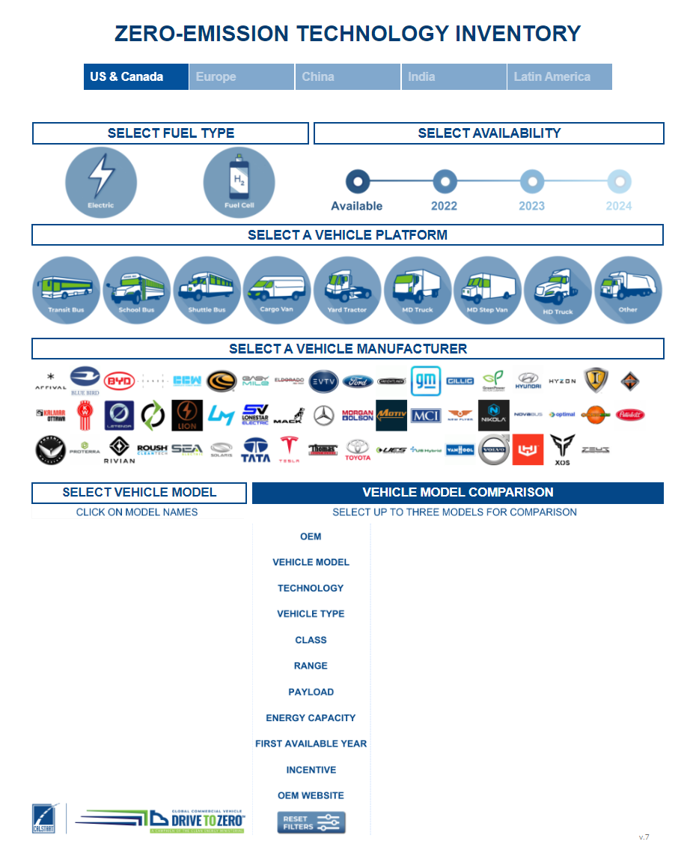
 |  |  |  |  |  |  |  |  |  |  |  |  | Access ZETI Tool
 | Tool Tip
 | Use these graphs to understand which vehicle groups to focus on. Check out the Zero Emission Technology Inventory (ZETI) tool to see what ZEV options are available for your needs! ZETI offers many different models from more than 50 well-known manufacturers! Open the ZETI page by pressing the "Acess ZETI Tool" link to the right.

 | Vehicle Types in Your Fleet

Two-Axle Buses | 85.71%
Work Trucks | 14.29%
#N/A | 0.00%
#N/A | #N/A
 |  |  |  |  |  |  |  | Vehicle Type
 |  |  |  |  |  |  |  | Two-Axle Buses |  | 6 out of 7
 |  |  |  |  |  |  |  | Work Trucks |  | 1 out of 7
 |  |  |  |  |  |  |  | Rest of Fleet |  | 0 out of 7

 |  |  |  |  |  |  |  |  |  | ZETI Vehicle Legend |  |  |  |  |  | Box Trucks and Work Trucks

Two-Axle Buses |  |  |  |  |  |  | Models Available:
ZETI hosts data for three types of buses (Transit Bus, School Bus, and Shuttle Bus) and does not distinguish between two- and three-axel buses. Make sure to speak to the manufacturer to understand which of the ZETI vehicle platforms your bus falls under. |  |  |  |  |  |  | Transit, Shuttle, School Bus: 300+
 |  |  |  |  |  |  |  |  |  |  |  | Vans |  |  |  | Day Cab and Sleeper Cab

Work Trucks |  |  |  |  |  |  | Models Available:
Work Trucks can be proxied as "MD Truck" in the Vehicle Platform section. |  |  |  |  |  |  | 100+ |  |  |  |  | Two-Axle Buses and Three-Axle Buses |  |  |  | Specialty Vehicles and Other

 |  |  |  |  |  |  | Models Available: |  |  |  |  | Yard Truck |  |  |  | Light Duty Package and Other Light Duty

 |  |  |  |  | Resources - HVIP to Make ZEVs more Affordable

 |  |  |  |  |  |  |  | To HVIP Vehicle Catalog!
 | Tool Tip |  |  |  |  |  |  | HVIP website CARB Vehicle Group Types |  |  |  |  |  |  | # of Models Available:
 | If you are a California fleet you may be interested in what HVIP has to offer. This program focuses on making ZEVs more affordable by offering incentives of up to $198,000! HVIP has provided $847,001,159 nationwide to help speed up ZEV adoption!
 |  |  |  |  |  |  |  | Two-Axle and Three-Axle Buses |  |  |  |  |  |  | 72

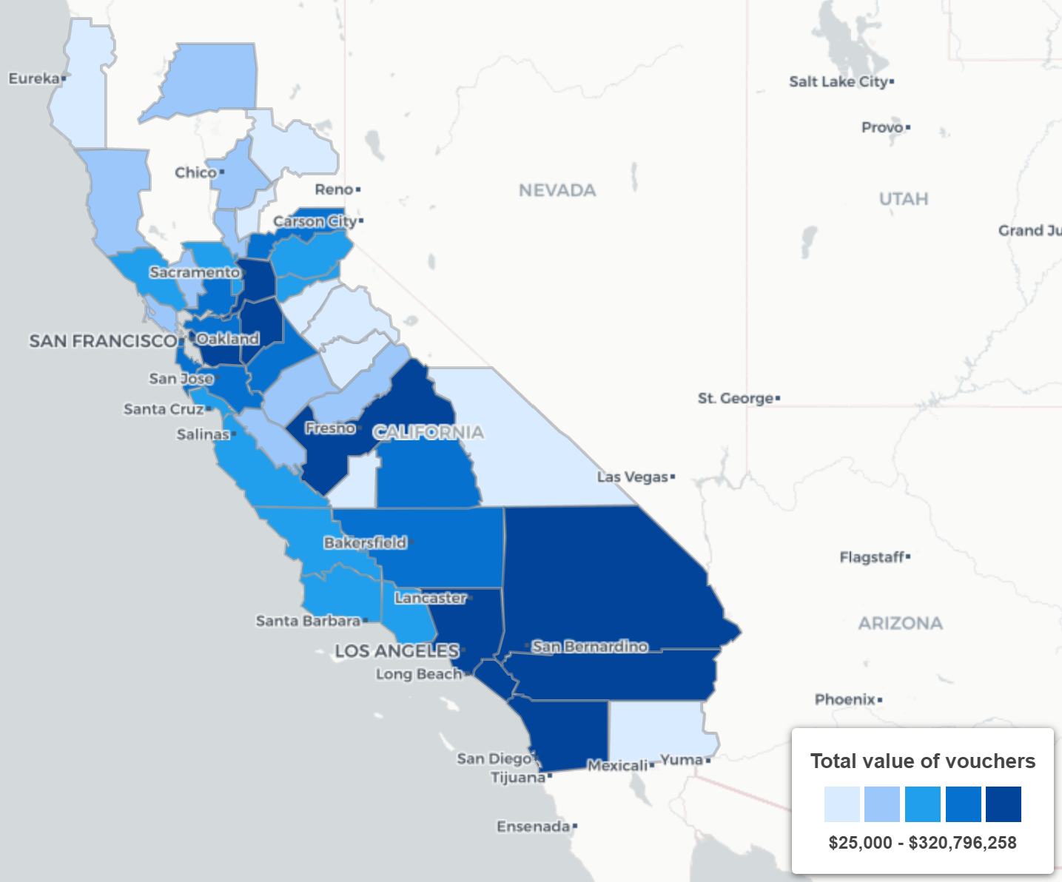
 |  |  |  |  |  |  |  | Vans |  |  |  |  |  |  | 17

 |  |  |  |  |  |  |  | Day Cab Tractors and Sleeper Cabs |  |  |  |  |  |  | 8

 |  |  |  |  |  |  |  | Work Trucks and Box Trucks |  |  |  |  |  |  | 36

 |  |  |  |  |  |  |  | Yard Trucks, Light-Duty Package, and Other Light-Duty |  | Currently not available on the HVIP website!

 |  |  |  |  |  |  |  | Specialty and Other |  |  |  |  |  |  | 15

 |  |  |  | Resources - Additional Links

 |  | To EnergIIZE! |  |  |  |  |  |  |  | To Infrastructure Insite!
 |  | EnergIIZE |  |  |  |  |  |  |  | Infrastruture Insite
 |  | Infrastructure is just as important as your vehicles. After all you will need ways to fuel your ZEVs. EnergIIZE provides incentives to make infrastructures more affordable. The EnergIIZE website also provides information on Make-Ready programs. These are utility sponsored programs that help with installations, system upgrades, and more! |  |  |  |  |  |  |  | As the market for zero-emission medium- and heavy-duty vehicles matures in California, fleets need guidance on the development of charging and refueling infrastructure. Here is a tool that takes the user through the infrastructure development process, recommends the appropriate equipment, and provides cost and time estimates.

 |  |  |  |  | Benchmarking Section

